US22 Sprint 4
 | Test Scenarios for SimpCity
 | Test Cases Creation |  |  | System Testing (TDA) |  |  | User Acceptance Testing |  | Team
 | User Stories: | US22 - As a user, I want to be shown a prompt to confirm my choice to end the program so I don't accidentally end the program. |  | Version Control: | V1 |  | Version Control: | V1 | Scrum Master: | Megan Png
 | Created By: | Hui Ying |  | Tester: | Hui Ying |  | User: |  | Tech Lead: | Claris
 | Status: | Done |  | Status: | Done |  | Status: |  | QA: | Hui Ying
 | Dated as of: | 30-Jan-22 |  | Test Date: | 13-Feb-22 |  | UAT Date: |  | Developer: | Amanda Chan
 | Reviwed By: |  |  | Reviwed By: |  |  | Reviwed By:
 | Tech Lead | Claris |  | Scrum Master | Megan |  | Scrum Master: | <Signature>
 |  |  |  | Tech Lead | Claris |  | Tech Lead: | <Signature>
 |  |  |  |  |  |  | QA: | <Signature>
 |  |  |  |  |  |  | Developer:

S/NO | Test Scenario | Test Scenario Description | Test Values | Expected Outcome | Boundary? Equivalence? | Functional? Non-Functional? | Pass/ Fail | Actual Outcome | Test Result (Pass / Fail) | Remarks
1 | The users enters the otion "0" when the message "Your Choice?" is prompted. | 1. "The users enters the otion ""0"" when the message ""Your Choice?"" is prompted. E.g. Your Choice? 0 | Before: The user has started the program and does
 |  |  | 1. "The users enters the otion ""0"" when the message ""Your Choice?"" is prompted. E.g. Your Choice? 0 | An confirmation message "Exit the application? [Y/N]:" will be displayed to confirm the user decision in exiting the application. | Boundary | Functional | Pass | 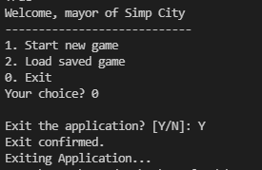 | Pass
2 | The users enters an option that is within the main menu but not the option "0. Exit" to exit the application when the message "Your Choice?" is prompted. | 1. The users enters an option that is within the main menu but not the option "0 Exit" to exit the application when the message "Your Choice?" is prompted. The user enters an option that is between "1" to "2" | 1. The users enters an option that is within the main menu but not the option "0. Exit" to exit the application when the message "Your Choice?" is prompted. E.g. Your Choice? 1 | The program will process the chosen option according to the functionality of the chosen option. |  | Functional | Pass | 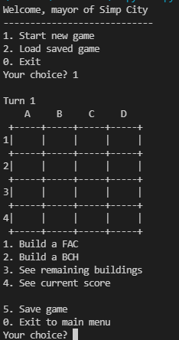 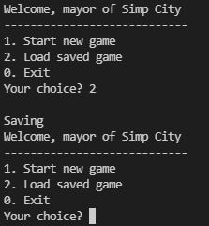 | Fail | Reason: When option "2" is entered in the main menu, the game is not loaded Developer's response: Option "2" is not implemented in Sprint 4
3 | The users enters an option that is not within the main menu when the message "Your Choice?" is prompted. | 1. The users enters an option that is not within the main menu when the message "Your Choice?" is prompted. | 1. The users enters an option that is not within the main menu when the message "Your Choice?" is prompted. E.g. Your Choice? aaa | An error message will be printed and displayed to the user to remind the user to enter a valid input. The main menu will be printed again along with the message "Your Choice?" prompted to the user. |  | Functional | Fail | 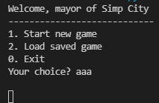 | Fail | Reason: When enter an input that is not within the main menu, the program run into error Developer's response: Validation did not coverage the test cases fully
4

 | Test Cases Creation |  |  | System Testing (TDA) |  |  | User Acceptance Testing |  | Team
 | User Stories: | US22 - As a user, I want to be shown a prompt to confirm my choice to end the program so I don't accidentally end the program. |  | Version Control: | V1 |  | Version Control: | V1 | Scrum Master: | Megan Png
 | Created By: | Hui Ying |  | Tester: | Hui Ying |  | User: |  | Tech Lead: | Claris
 | Status: | Done |  | Status: | Done |  | Status: |  | QA: | Hui Ying
 | Dated as of: | 30-Jan-22 |  | Test Date: | 14-Feb-22 |  | UAT Date: |  | Developer: | Amanda Chan
 | Reviwed By: |  |  | Reviwed By: |  |  | Reviwed By:
 | Tech Lead | Claris |  | Scrum Master |  |  | Scrum Master: | <Signature>
 |  |  |  | Tech Lead |  |  | Tech Lead: | <Signature>
 |  |  |  |  |  |  | QA: | <Signature>
 |  |  |  |  |  |  | Developer:

S/NO | Test Scenario | Test Scenario Description | Test Values | Expected Outcome | Boundary? Equivalence? | Functional? Non-Functional? | Pass/ Fail | Actual Outcome | Test Result (Pass / Fail) | Remarks
1 | The users enters the otion "0" when the message "Your Choice?" is prompted. | 1. "The users enters the otion ""0"" when the message ""Your Choice?"" is prompted. E.g. Your Choice? 0 | Before: The user has started the program and does
 |  |  | 1. "The users enters the otion ""0"" when the message ""Your Choice?"" is prompted. E.g. Your Choice? 0 | An confirmation message "Exit the application? [Y/N]:" will be displayed to confirm the user decision in exiting the application. | Boundary | Functional | Pass |  | Pass
2 | The users enters an option that is within the main menu but not the option "0. Exit" to exit the application when the message "Your Choice?" is prompted. | 1. The users enters an option that is within the main menu but not the option "0 Exit" to exit the application when the message "Your Choice?" is prompted. The user enters an option that is between "1" to "2" | 1. The users enters an option that is within the main menu but not the option "0. Exit" to exit the application when the message "Your Choice?" is prompted. E.g. Your Choice? 1 | The program will process the chosen option according to the functionality of the chosen option. |  | Functional | Pass | 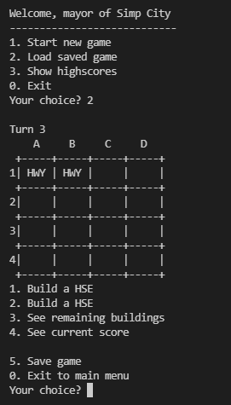 | Pass
3 | The users enters an option that is not within the main menu when the message "Your Choice?" is prompted. | 1. The users enters an option that is not within the main menu when the message "Your Choice?" is prompted. | 1. The users enters an option that is not within the main menu when the message "Your Choice?" is prompted. E.g. Your Choice? aaa | An error message will be printed and displayed to the user to remind the user to enter a valid input. The main menu will be printed again along with the message "Your Choice?" prompted to the user. |  | Functional | Fail | 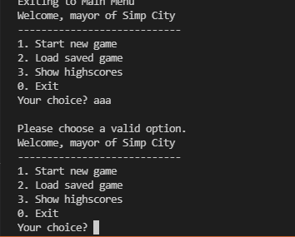 | Pass

